Sheet1
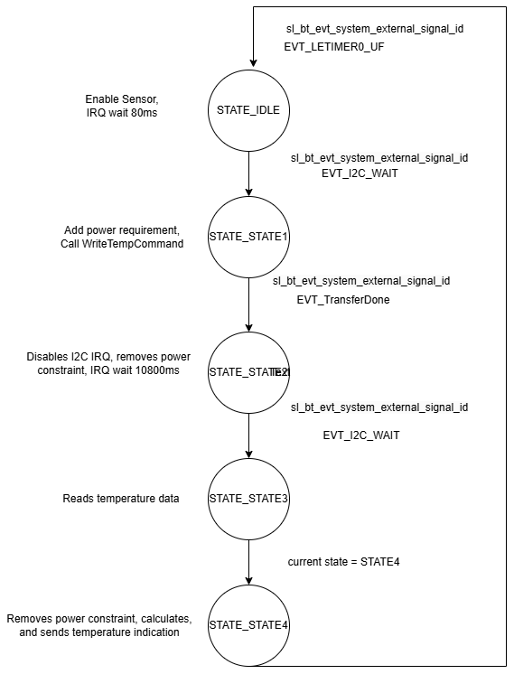
 | Client Command Table for A7

 | Use this table to help you design your program. Add rows as needed. | Use this column to describe when and what your LCD display changes to for rows like DISPLAY_ROW_CONNECTION | Use this column to denote if BT stack events cause your state machine to advance, you can put an X in the cell to note this. Drawing a bubble diagram of your state machine might also be a good idea 👍. | Commands that may be useful: sl_bt_gatt_discover_primary_services_by_uuid() sl_bt_gatt_discover_characteristics_by_uuid()
 | Event | LCD Display State | Advances State Machine | Commands called in response to event | Notes
Events for Slaves
 | sl_bt_evt_system_boot_id | DISPLAY_ROW_NAME : Server, DISPLAY_ROW_CONNECTION : Advertising, DISPLAY_ROW_BTADDR : Device Address, DISPLAY_ROW_ASSIGNMENT - A8, DISPLAY_ROW_9 : Button Released | BLE Address | This event is generated on stack boot up | You can also document in column D values that need to be saved in response to receiving BT stack events.
 |  |  |  | sl_bt_system_get_identity_address() | Set phy to 1M and mode to passive scanning
 |  |  |  | sl_bt_advertiser_create_set() | Set phy to 1M, scan interval to 50ms and scan window to 25ms
 |  |  |  | sl_bt_advertiser_set_timing() | See the assignment document for these values
 |  |  |  | sl_bt_legacy_advertiser_generate_data() | You should start and stop scanning just like you did with advertising for a Server.
 |  |  |  | sl_bt_legacy_advertiser_start()
 |  |  |  | sl_bt_sm_configure()
 |  |  |  | sl_bt_sm_delete_bondings()

 | sl_bt_evt_connection_opened_id | DISPLAY_ROW_CONNECTION : (Connected ) | Connection handle value. X | sl_bt_advertiser_stop(), sl_bt_connection_set_parameters() | Triggered When A BLE connection is successfully established with a server. sl_bt_gatt_discover_primary_services_by_uuid() - Starts discovering primary services that match a specified UUID on a connected BLE server.

 | sl_bt_evt_connection_closed_id | DISPLAY_ROW_CONNECTION : Advertising, DISPLAY_ROW_TEMPVALUE : Clear, DISPLAY_ROW_ACTION : Clear, DISPLAY_ROW_PASSKEY: Clear | X | sl_bt_legacy_advertiser_start() , sl_bt_sm_delete_bondings() | Triggered when BLE connection is lost or intentionally closed.. sl_bt_scanner_start() - Starts scanning for nearby BLE devices.

 | sl_bt_evt_sm_confirm_passkey_id | DISPLAY_ROW_PASSKEY : display passkey, DISPLAY_ROW_ACTION : Confirm with PB0

 | sl_bt_evt_external_signal_id | DISPLAY_ROW_9 : Display Button state - Pressed or not, If confirm passkey PB0 is pressed, DISPLAY_ROW_PASSKEY : Clear, DISPLAY_ROW_ACTION : Clear | X | if PB0 is pressed, check if bonded, if not, call sl_bt_sm_passkey_confirm(), if bonded, call sl_bt_gatt_server_write_attribute_value() and again check for inflight and queue depth before sending indication i.e. before calling sl_bt_gatt_server_send_indication()

 | sl_bt_evt_sm_confirm_bonding_id |  | X | sl_bt_sm_bonding_confirm()

 | sl_bt_evt_sm_bonded_id | DISPLAY_ROW_CONNECTION : Bonded, DISPLAY_ROW_PASSKEY : Clear, DISPLAY_ROW_ACTION : Clear

 | sl_bt_evt_sm_bonding_failed | DISPLAY_ROW_PASSKEY : Clear, DISPLAY_ROW_ACTION : Clear

 | sl_bt_evt_system_soft_timer_id |  |  | This event indicates that a soft timer has expired. displayUpdate() | Triggered when a software timer event occurs.

 | sl_bt_evt_gatt_server_characteristic_status_id |  |  |  | Indications, and confirmations, and In flight status can be checked here

 | sl_bt_evt_connection_parameters_id |  |  |  | Timeout, Interval can be checked in this event

